Signature page
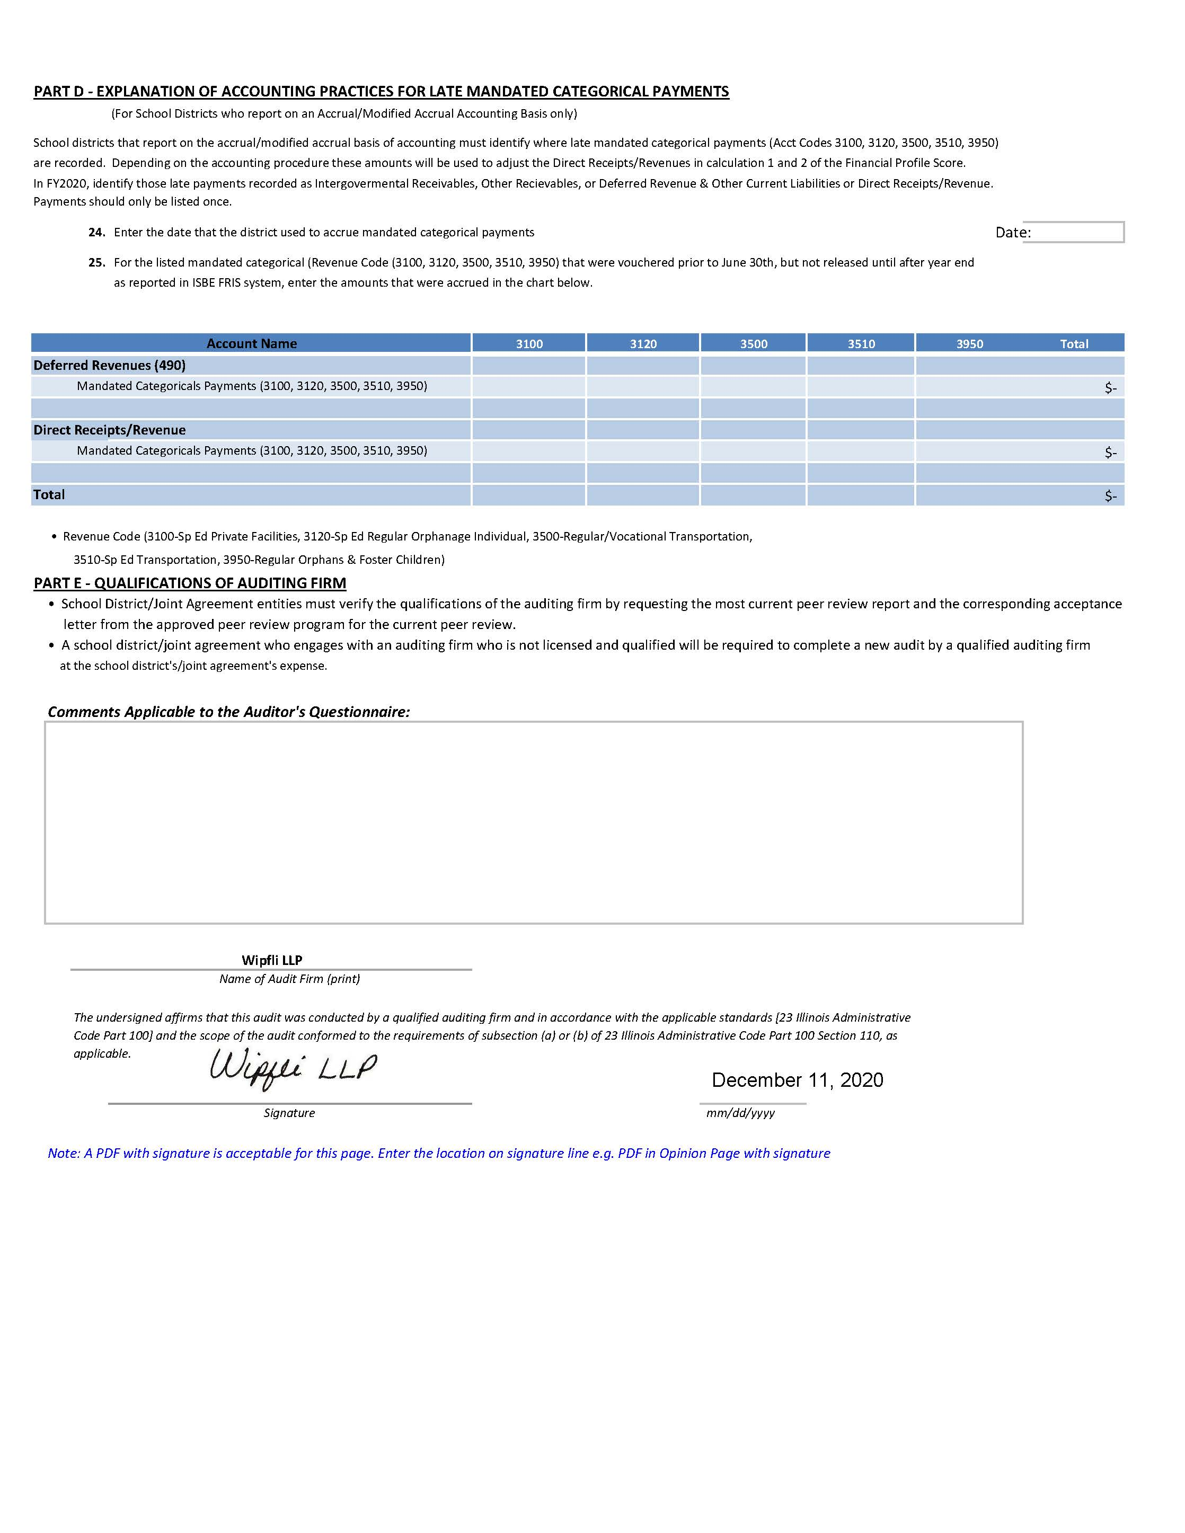

ICR Computation 30
ESTIMATED INDIRECT COST RATE DATA
SECTION I
Financial Data To Assist Indirect Cost Rate Determination
(Source document for the computation of the Indirect Cost Rate is found in the "Expenditures 15-22" tab.)
COUNTY
DISTRICT NAME
CODE
DISTRICT NUMBER
STREET
ALL OBJECTS EXCLUDE CAPITAL OUTLAY. With the exception of line 11, enter the disbursements/expenditures included within the following functions charged directly to and reimbursed from federal grant programs. Also, include all amounts paid to or for other employees within each function that work with specific federal grant programs in the same capacity as those charged to and reimbursed from the same federal grant programs. For example, if a district received funding for a Title I clerk, all other salaries for Title I clerks performing like duties in that function must be included. Include any benefits and/or purchased services paid on or to persons whose salaries are classified as direct costs in the function listed.
Support Services - Direct Costs (1-2000) and (5-2000)
Direction of Business Support Services (1-2510) and (5-2510)
Fiscal Services (1-2520) and (5-2520)
Operation and Maintenance of Plant Services (1, 2, and 5-2540)
Food Services (1-2560) Must be less than (P16, Col E-F, L63)
Value of Commodities Received for Fiscal Year 2020 (Include the value of commodities when determining if a Single Audit is required).
Internal Services (1-2570) and (5-2570)
Staff Services (1-2640) and (5-2640)
Data Processing Services (1-2660) and (5-2660)
SECTION II
Estimated Indirect Cost Rate for Federal Programs
 |  | Restricted Program |  | Unrestricted Program
 | Function | Indirect Costs | Direct Costs | Indirect Costs | Direct Costs
Instruction | 1000 |  | 5,885,408 |  | 5,885,408
Support Services:
Pupil | 2100 |  | 449,413 |  | 449,413
Instructional Staff | 2200 |  | 174,588 |  | 174,588
General Admin. | 2300 |  | 1,694,067 |  | 1,694,067
School Admin | 2400 |  | 505,359 |  | 505,359
Business:
Direction of Business Spt. Srv. | 2510 | 0 | 0 | 0 | 0
Fiscal Services | 2520 | 343,387 | 0 | 343,387 | 0
Oper. & Maint. Plant Services | 2540 |  | 1,264,654 | 1,264,654 | 0
Pupil Transportation | 2550 |  | 1,073,354 |  | 1,073,354
Food Services | 2560 |  | 381,744 |  | 381,744
Internal Services | 2570 | 0 | 0 | 0 | 0
Central:
Direction of Central Spt. Srv. | 2610 |  | 0 |  | 0
Plan, Rsrch, Dvlp, Eval. Srv. | 2620 |  | 0 |  | 0
Information Services | 2630 |  | 0 |  | 0
Staff Services | 2640 | 0 | 0 | 0 | 0
Data Processing Services | 2660 | 0 | 0 | 0 | 0
Other: | 2900 |  | 8,850 |  | 8,850
Community Services | 3000 |  | 11,899 |  | 11,899
Contracts Paid in CY over the allowed amount for ICR calculation (from page 29) |  |  | (341,075) |  | (341,075)
Total |  | 343,387 | 11,108,261 | 1,608,041 | 9,843,607
 |  | Restricted Rate |  | Unrestricted Rate
 |  | Total Indirect Costs: | 343,387 | Total Indirect Costs: | 1,608,041
 |  | Total Direct Costs: | 11,108,261 | Total Direct Costs: | 9,843,607
 |  | = | 3.09% | = | 16.34%

